2021 Order Form


 |  |  |  |  | Benalla Bandits Baseball Club
 |  |  |  |  | benallabandits@gmail.com
 |  |  |  | Contact:Summer Barber | 0455 444 530

Player Name: (Please Print)
Last Name: (Back of Tops)
Contact Number:
Email for Invoice:

Junior / Senior - Jersey Number: (Pervious or New Number) If NOT taken |  | Order no: |  | /

Uniform Order Form: |  | Number: |  | Size:
Bandits Hat 1: | $60.00 |  | Bandits Hat 2: | $25.00
Beanie with B | $15.00 |  | Beanie Club Name | $20.00
Bandits Jersey Senior: | $85.00
Bandits Training Jersey Senior: | $60.00
Bandits Jersey Jnr: | $55.00
Hoodie- Junior: | $65.00
Hoodie- Adult: | $70.00

Total: | $
Invoice will be sent once order form & deposit is received, please allow a few days for processessing

Name: Benalla Bandits Baseball Club | BSB: 633 000 |  | Account Number: | 105 421 655
Reference: (Name & Uniform)
Please Note: 50% Deposit MUST be Paid before Ordering, Balance on delivery

Other Uniform items can be purchased directly from Ausport's website : |  |  |  | https://ausport.com.au/
Item | Code
Grey Pants Adult | XPANTW-30 |  | Grey Pants Youth |  | XPANTW-18
Socks Royal Blue | TSBLK4 |  | Royal blue belt |  | XPBELTY-B

Hoodies follow the general sizing as other brands
Office Use Only: Invoice Number: |  | 50% Paid | YES / NO: | 100% Paid | YES / NO:

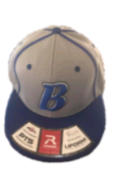
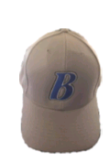
 |  |  | Hats:
 |  |  | Hat 1: | Richardson PTS 40
 |  |  | Hat 2: | Velcro Back

Hat 1: | Hat 2:

Old order form
 |  |  |  |  | Benalla Bandits Baseball Club
 |  |  |  |  | benallabandits@gmail.com
 |  |  |  | Contact: Dwyane Yates | 0400 863 287

Player Name: (Please Print)
Last Name: (Back of Tops)
Contact Number:
Email for Invoice:

Junior / Senior - Jersey Number: (Pervious or New Number) If NOT taken |  | Order no: |  | /

Uniform Order Form: |  | Number: |  | Size:
Bandits Hat 1: | $55.00 |  |  |  | (CAN HIGHLIGHT SIZE`S ON PAGES)
Bandits Hat 2: | $20.00
Blue Socks: | $15.00
Blue Belt: | $15.00
Grey Pants - Junior: | $60.00
Grey Pants - Senior: | $80.00
Bandits Jersey: | $75.00
Bandits T-Shirt - Name / Logo: | $65.00
Bandits T-Shirt - Blank Back: | $55.00
Hoodie - Name / Logo: | $75.00
Hoodie - Blank Back: | $65.00

Total: | $
Please Note: All Prices Include Shipping (If Benalla Bandits can Bulk Buy Savings will be pasted on)

Name: Benalla Bandits Baseball Club | BSB: 633 000 | Account Number: | 105 421 655
Reference: (Name & Uniform)
Please Note: 50% Deposit MUST be Paid before Ordering

Office Use Only: |  | 50% Paid | YES / NO: | 100% Paid | YES / NO:
Discount in Shipping: | YES / NO: | Amount Paid: | $ | Given Back: | $

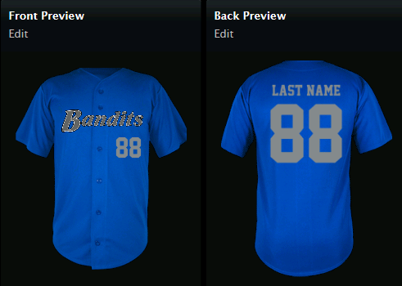
 |  |  | Baseball Jersey: (Home Run)
 |  |  | Size: | Half-Chest (cm) | Length (cm)
 |  |  | Youth S: | 39.25 | 64.5
 |  |  | Youth M: | 44.25 | 67.75
 |  |  | Youth L: | 48.75 | 71
 |  |  | Adult S: | 48 | 76
 |  |  | Adult M: | 53.25 | 78.5
 |  |  | Adult L: | 58.25 | 81
 |  |  | Adult XL: | 63.25 | 83.75
 |  |  | Adult 2XL: | 68.5 | 86.25
 |  |  | Adult 3XL: | 73.5 | 88.75
 |  |  | Adult 4XL: | 78.5 | 91.25
*Size guide at bottom of form

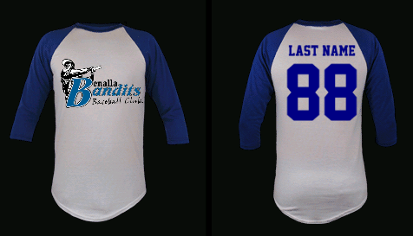
 |  |  | Bandits T-Shirt: (Baseball)
 |  |  | Size: | Half-Chest (cm) | Length (cm)
 |  |  | Kids S: | 35 | 60.5
 |  |  | Kids M: | 39 | 65.5
 |  |  | Kids L: | 42.5 | 75.5
 |  |  | Adult S: | 44 | 78.5
 |  |  | Adult M: | 49 | 80.5
 |  |  | Adult L: | 54 | 82.5
 |  |  | Adult XL: | 58.5 | 82.5
 |  |  | Adult 2XL: | 64 | 86.5
 |  |  | Adult 3XL: | 69 | 88.5

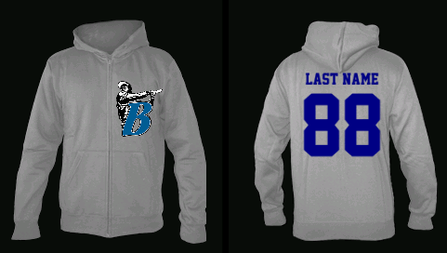
 |  |  | Bandits Hoodie: (Classic Zipper)
 |  |  | Size: | Half-Chest (cm) | Length (cm)
 |  |  | Kids S: | 41 | 55
 |  |  | Kids M: | 44 | 58
 |  |  | Kids L: | 46 | 62
 |  |  | Kids XL: | 49 | 66
 |  |  | Ladies S: | 48 | 62
 |  |  | Ladies M: | 53 | 65
 |  |  | Ladies L: | 58 | 67
 |  |  | Ladies XL: | 64 | 69
Belt & Socks: |  |  | Ladies 2XL: | 69 | 70
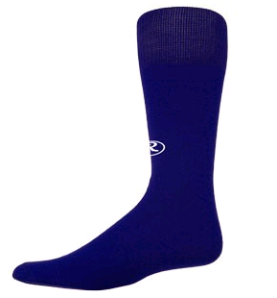
 |  |  | Men's S: | 49 | 69
 |  |  | Men's M: | 54 | 71
 |  |  | Men's L: | 59 | 74
 |  |  | Men's XL: | 64 | 76
 |  |  | Men's 2XL: | 69 | 79
 |  |  | Men's 3XL: | 74 | 81
 |  |  | Men's 5XL: | 82 | 86
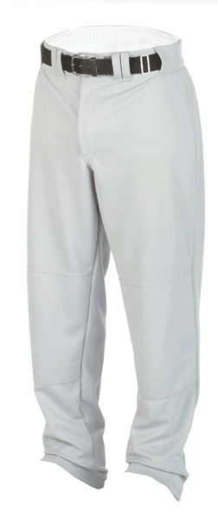
 |  |  | Grey Pants:
 |  |  | Junior: | Small: | 18-20"
 |  |  | Junior: | Medium: | 22-25"
 |  |  | Junior: | Large: | 26-28"
 |  |  | Adults: | Small: | 28-30"
 |  |  | Adults: | Medium: | 32-34"
 |  |  | Adults: | Large: | 36-38"
 |  |  | Adults: | X-Large: | 40-42"
 |  |  | Adults: | XX - Large: | 44-48"

 |  |  | Socks:
 |  |  | Small: | .9 - 2
 |  |  | Medium: | . 2 - 7
 |  |  | Large: | .7 -11
 |  |  | X-Large: | .12 - 14

 |  |  | Hats:
 |  |  | Hat 1: | Richardson PTS 40
 |  |  | Hat 2: | Velcro Back

Hat 1: | Hat 2:

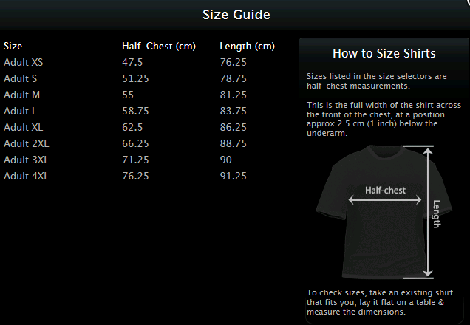

We will issue a invoice on receiving the order form. This will be emailed to you.
Please allow a few days for processing
If you pay the deposit when making the order this will be credited to the invoice.

