25th Group Info
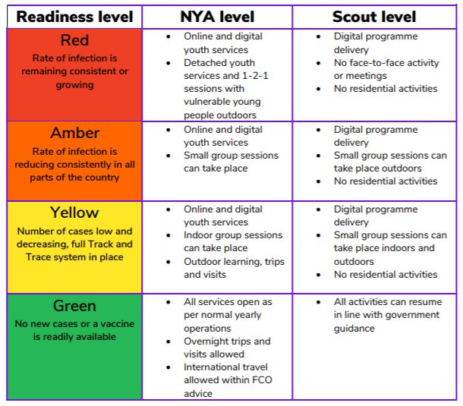
Getting everyone back together safely

Group/Unit | 25th Camberwell(1st Dulwich College)
GSL/ESLGroup Scout Leader | Peter Evans
Email Address | scouts@dulwich.org.uk
Sections in this group | Cubs & Scouts
Meeting location for this phase | Trevor Bailey Sports Ground, Dulwich Common, SE21

 | What to do | Notes to help you
How to use this form. | GSL/ESL: Fill out the information above. | You can only enter information in the light blue cells.
 | For each section in your group, forward this spreadsheet to the section leader to fill out. You may want to help them or ask someone else to assist. | If you wish, you can create multiple tabs by copying the "Section RA" tab and keep everything in one spreadsheet. Then, work with your section leaders to fill out the relevant tab for them. There is an example tab filled out with some ideas of what you need to put there. Feel free to use that as a starter, but tailor it for your environment. The information "COVID-19 readiness level transition" is a pulldown list. When you click on that cell (G2), a little down arrow will appear. Click that and your choices will be shown. The section headings at the bottom of the page on the Section RA tab will be filled out when you enter the information at the top. It is done this way in case you wish to print the information out.
 | When completed, the section leader emails it back to the GSL who signs it off and also gets someone from the Exec to check it | See row 3 in the Section RA tab.
 | When you have all the sections back and agreed, email them to your DC | Please rename the spreadsheet with your group and, if relevant, the section, before sending it to the DC. When it is approved, you will get an email back confirming this.

 | Please note that no activity can start until this risk assessment has been approved at District level and you have had an email confirming this.

