RPM - Remote Patient Monitoring
Remote Patient Monitoring (RPM) |  | Remote Patient Monitoring (RPM) Billing Analysis

Insert approximate # of enrolled patients ----> | 500

CONSERVATIVE REVENUE - PER PATIENT approximate |  | CPT CODE | Frequency | Time - min/month | Reimbursement | Description
Total Billable Revenue per pt/month | $166.00 | 99453 | initial |  | $21.00 | initial set-up and education on the use of the equipment.
99453 - one time initial set up | $21.00
99454 - monthly | $69.00 | 99454 | monthly |  | $69.00 | monitoring the daily vital recording(s) or programmed alert(s) transmission.
99457 - monthly | $54.00
99458 - monthly | $43.00
 |  | 99457 | monthly | 20 | $54.00 | 20 mins (or more) of clinical staff time in a calendar month requiring interactive communication with the patient/caregiver during the month.
CLINICIAN PRACTICE REVENUE - approximate
Practice Revenue per pt/month | $68.00
Recruit Patients |  | 99458 | monthly | 20 | $43.00 | new 20 mins (or more) of clinical staff time in a calendar month requiring interactive communication with the patient/caregiver during the month.
Make intitial appointment
10-20 minutes per day to review dashboard
Practice monthly revenue | $34,000.00
Practice annual revenue | $408,000.00
 |  | REMOTE VITAL HEALTH - RVH fee per patient
REMOTE VITAL HEALTH
RVH fee per pt/month | $98.00 |  |  |  | <999 patients | 999-1999 patients | >2000 patients
Device(s) Cost | $21.00 | Remote Vital Health fee per pt/per mth |  |  | $98.00 | $89.00 | $85.00
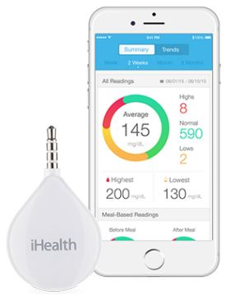
Call Center | $15.00 | Clinician Practice Revenue per patient/mth |  |  | $40.00 | $49.00 | $53.00
Registered Dietician(s) | $10.00 | Device |  | $21.00 | $18.90 | $17.96
Tech Onboarding | $11.00 | Call Center |  | $15.00 | $13.50 | $12.83
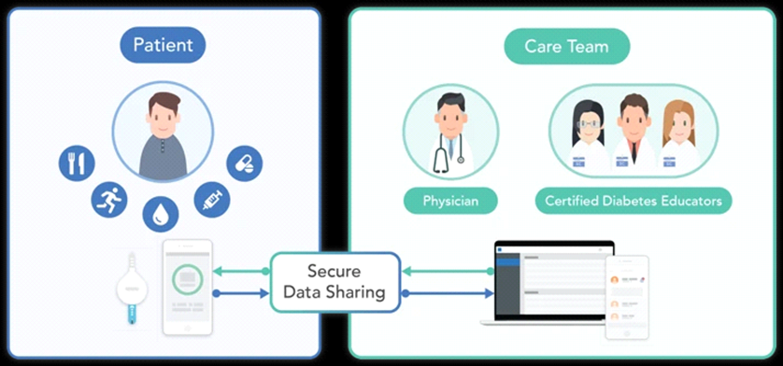
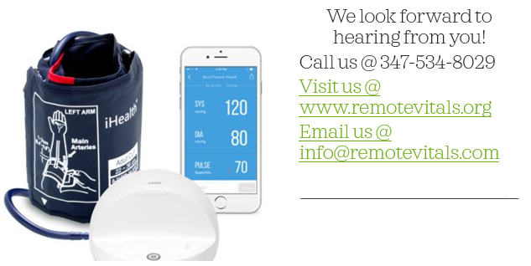
Online Nutrition Counseling | $5.00 | Registered Dietician |  | $10.00 | $9.00 | $8.55
Monthly Care team meetings | $7.00 | Tech Onboarding |  | $11.00 | $9.90 | $9.41
Billing and Collections Team | $4.90 | Online Nutrition |  | $5.00 | $4.50 | $4.27
Unified Care Platform | $4.00 | Monthly Care team meetings |  | $7.00 | $6.30 | $5.98
RVH Customer Service Team | $3.00 | Billing and Collections |  | $4.90 | $4.41 | $4.19

