Charts
Show trends and forecast sales with charts
· You have enough data to show a meaningful trend. Insufficient baseline data might skew results. For example, seasonal fluctuations might be mistaken for long-term trends if baseline data is from only one year.
· The data is ordered from earliest to most recent.
· No data is missing. If data is unavailable for a period, enter an estimate.
· All periods are for comparable amounts of time, such as weeks, months, or years.

Sales data
YEAR | SALES (MILLIONS)
FY 93 | 0.75
FY 94 | 1.55
FY 95 | 2.35
FY 96 | 2.22
FY 97 | 2.34
FY 98 | 2.54
FY 99 | 2.55
FY 00 | 2.75
FY 01 | 3.11
FY 02 | 3.24
FY 03 | 3.15

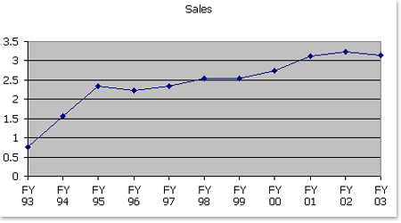

Then, using trendlines, you can project your sales into the future based on your past four quarters. The following is an example of a chart that has a sales projection trendline.
Chart with sales projection trendline
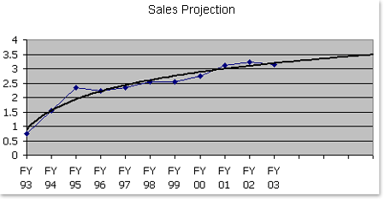

Trendlines
Trendlines are graphical representations of trends in data that you can use to analyze problems of prediction. Such analysis is also called regression analysis.
By using regression analysis, you can extend a trendline in a chart beyond the actual data to predict future values. For example, the preceding chart uses a simple logarithmic
trendline that is forecast ahead four quarters to clearly show a trend toward rising revenue.

R² (R-squared)
The R-squared value of the trendline (this is where math comes in). Think of the R-squared value as a magic number — in this case, a number between 0 and 1.
A trendline is most reliable when its R-squared value is at or near 1.

The best trendline for your data
Choosing the right trendline for your data is very important. Checking the R-squared value can help you choose the best trendline for your data. It also helps to understand the types of
trendlines that are likely to fit different scenarios. A linear trendline usually shows that something is increasing or decreasing at a steady rate.

A linear trendline is a best-fit straight line that is used with simple linear data sets. Your data is linear if the pattern in its data points resembles a line.

A moving average trendline works well for data that fluctuates higher and lower. It smoothes out fluctuations in data to show patterns or trends more clearly.
You select the number of data points that you want the trendline to average and use as a point in the line.

Calculate a linear trendline in a chart
Before you can calculate a trendline, you need to have your data in a chart.
1. Start Excel, and type or copy the sample data, including the headers, in the Sales data table that appeared earlier in this article.
2. Highlight the data that you want to include in the chart (in this example, the contents of cells A1 through B12).
3. On the Insert menu, click Chart.
4. On the Standard Types tab, under Chart type, click Line.
5. Click Finish.
6. To remove the legend and make more room for your chart, click Legend on the Chart toolbar.
Now, calculate a trendline:
1. Click in the chart area to select the chart.
The Chart menu appears when the chart is selected.
2. On the Chart menu, click Add Trendline.
3. In the Add Trendline dialog box, click the Type tab.
4. Under Trend/Regression type, click Linear. This creates a straight trendline.
5. Click the Options tab.
6. In the Forward box, under Forecast, type 4.
7. Select the Display R-squared value on chart check box.
8. Click OK.

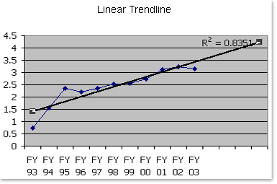

The R-squared value, which tells you how closely your trendline follows your data, appears on the chart. With a linear trendline, the value is .8351. As you can see by the chart, the trendline doesn't follow
the data very closely because the sales rise rapidly in the first few years and then start to level out. A straight-line (linear) trendline that includes the rapid-growth early years may overestimate future sales.

Sheet1
 |  | Month | Month | Month | Month | Month | Month | Month | Month | Month | Month | Month | Month
 |  | 1 | 2 | 3 | 4 | 5 | 6 | 7 | 8 | 9 | 10 | 11 | 12

Expenses |  |  |  |  |  |  |  |  |  |  |  |  |  | Expenses
 | Operating expenses | $250 | $318,000 | $275,600 | $426,141 | $563,816 |  |  |  |  |  |  |  | Operating expenses
 | Interest | $12 | $16,250 | $16,250 | $16,250 | $24,369 |  |  |  |  |  |  |  | Interest
 | Depreciation | $33,958 | $33,958 | $33,958 | $33,958 | $33,958 |  |  |  |  |  |  |  | Depreciation
 | Amortization | $1 | $1,250 | $1,250 | $1,250 | $1,875 |  |  |  |  |  |  |  | Amortization

 | Using This practice there is need a month to be forecasted and this month is Unkown expectation(X )so You bring Curssor where you want the answer
 | and you click to function Sign and you click to known month number here is 5 then you move curissor to next part Y axis which is axis for expenses of Month 1 to month 4 I click to month 1 then I drag to Month 4 I shift to next X axis which is time known from month 1 to 4 I click month 1 then I drug to 4 finally I Clicl to enter after to do Operating expense I go to the next

 | Month
1 | $250
2 | $318,000
3 | $275,600
4 | $426,141

Month |  | 1 | 2 | 3 | 4
 | Operating expenses | $250 | $318,000 | $275,600 | $426,141

Month |  | 1 | 2 | 3 | 4
 | Operating expenses | $250 | $318,000 | $275,600 | $426,141
 | Month | Month
 | 1 | $250
 | 2 | $318,000
 | 3 | $275,600
 | 4 | $426,141

