Sheet1
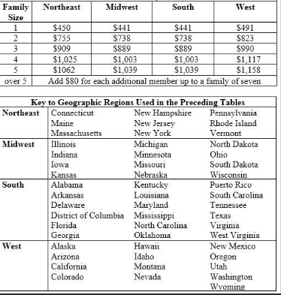
Residual Income Calculation

Gross Income | $-
Subject PITI | $-
Taxes from paycheck calculator | $- | Free Paycheck Calculator: Hourly & Salary - SmartAsset
Maintenance (.14*Square footage) | $-
Other Debt | $-

Residual Income | $-

