Ship_Stores
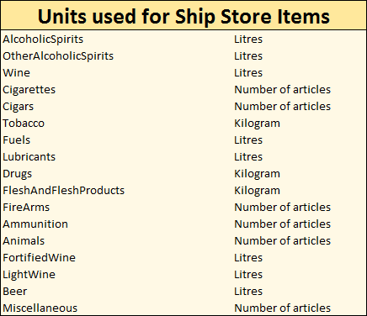
SHIP STORES
Name of article | Quantity

