Sheet1
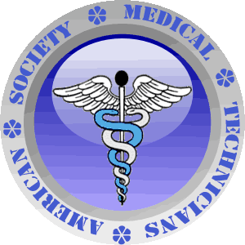
American Society of Medical Technicians
42 Broadway Street, Suite 12-113
New York, NY 10004-2304
Tel # 646-341-7558
E-mail: asmtnationalexam@aol.com

National Certification/Examination Application

NAME

ADDRESS
 |  | Street/P.O. Box

 |  | City, State, Zip Code

Telephone

E-mail

Examination to be taken (pls. check)

 | Phlebotomy Technician |  | Medical Assistant
 | EKG Technician |  | Home Health Aide
 | PCA |  | OR Technician
 | PCT |  | Central Sterile Processing Tech
 | Certified Nurse Assistant |  | Other

Name of School Attended:

Year Graduated:

Employer:

Number of Years Working:

Supervisor/Manager's Name

Print Applicant Name |  |  | Applicant Signature

